Splash
Select Language : | English
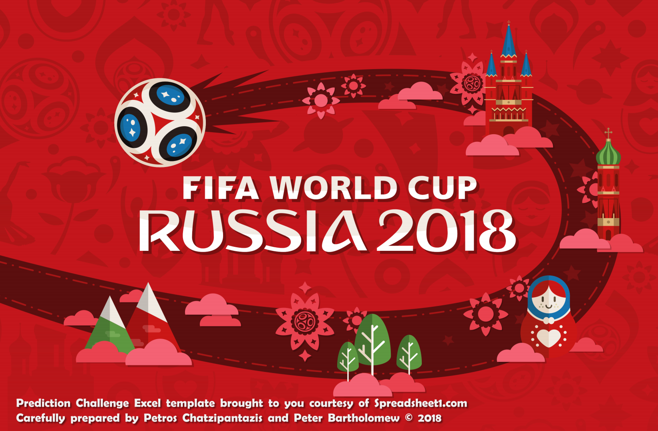

Click ball to
go to Group 1

Group A
World Cup 2018 Prediction Challenge
World Cup 2014 Prediction Game
GROUP
A
Russia Saudi Arabia Egypt Uruguay
GROUP
B
Portugal Spain Morocco Iran
GROUP
C
France Australia Peru Denmark
GROUP
D
Argentina Iceland Croatia Nigeria
GROUP
E
Brazil Switzerland Costa Rica Serbia
GROUP
F
Germany Mexico Sweden South Korea
GROUP
G
Belgium Panama Tunisia England
GROUP
H
Poland Senegal Colombia Japan
KO
Knockout Stage

No | Date | Venue | 1st Team |  |  |  | 2nd Team |  |  | Group Standings

1 | 2018-06-14 | Moscow | Russia |  | 2 | V | 2 |  | Saudi Arabia |  |  | P | W | D | L | F | A | GD | PTS

2 | 2018-06-15 | Ekaterinburg | Egypt |  | 2 | V | 2 |  | Uruguay | 1 | Russia | 3 | 0 | 3 | 0 | 7 | 7 | 0 | 3

3 | 2018-06-19 | Saint Petersburg | Russia |  | 2 | V | 2 |  | Egypt | 4 | Uruguay | 3 | 0 | 3 | 0 | 7 | 7 | 0 | 3

4 | 2018-06-20 | Rostov-on-Don | Uruguay |  | 2 | V | 2 |  | Saudi Arabia | 2 | Saudi Arabia | 3 | 0 | 3 | 0 | 6 | 6 | 0 | 3

5 | 2018-06-25 | Samara | Uruguay |  | 3 | V | 3 |  | Russia | 3 | Egypt | 3 | 0 | 3 | 0 | 6 | 6 | 0 | 3

6 | 2018-06-25 | Volgograd | Saudi Arabia |  | 2 | V | 2 |  | Egypt

Initial screen
 |  |  | Group A winner |  |  |  |  | Group A runner-up
 |  |  | Russia | 1 |  |  |  | 4 | Uruguay

Group B
World Cup 2018 Prediction Challenge
World Cup 2014 Prediction Game
GROUP
A
Russia Saudi Arabia Egypt Uruguay
GROUP
B
Portugal Spain Morocco Iran
GROUP
C
France Australia Peru Denmark
GROUP
D
Argentina Iceland Croatia Nigeria
GROUP
E
Brazil Switzerland Costa Rica Serbia
GROUP
F
Germany Mexico Sweden South Korea
GROUP
G
Belgium Panama Tunisia England
GROUP
H
Poland Senegal Colombia Japan
KO
Knockout Stage

No | Date | Venue | 1st Team |  |  |  | 2nd Team |  |  | Group Standings

7 | 2018-06-15 | Sochi | Portugal |  | 1 | V | 1 |  | Spain |  |  | P | W | D | L | F | A | GD | PTS

8 | 2018-06-15 | Saint Petersburg | Morocco |  | 2 | V | 1 |  | Iran | 7 | Morocco | 3 | 3 | 0 | 0 | 13 | 8 | 5 | 9

9 | 2018-06-20 | Moscow | Portugal |  | 3 | V | 4 |  | Morocco | 5 | Portugal | 3 | 1 | 1 | 1 | 11 | 10 | 1 | 4

10 | 2018-06-20 | Kazan | Iran |  | 6 | V | 5 |  | Spain | 8 | Iran | 3 | 1 | 0 | 2 | 12 | 14 | -2 | 3

11 | 2018-06-25 | Saransk | Iran |  | 5 | V | 7 |  | Portugal | 6 | Spain | 3 | 0 | 1 | 2 | 10 | 14 | -4 | 1

12 | 2018-06-25 | Kaliningrad | Spain |  | 4 | V | 7 |  | Morocco

 |  |  | Group A winner |  |  |  |  | Group A runner-up
 |  |  | Morocco | 7 |  |  |  | 5 | Portugal

Group C
World Cup 2018 Prediction Challenge
World Cup 2014 Prediction Game
GROUP
A
Russia Saudi Arabia Egypt Uruguay
GROUP
B
Portugal Spain Morocco Iran
GROUP
C
France Australia Peru Denmark
GROUP
D
Argentina Iceland Croatia Nigeria
GROUP
E
Brazil Switzerland Costa Rica Serbia
GROUP
F
Germany Mexico Sweden South Korea
GROUP
G
Belgium Panama Tunisia England
GROUP
H
Poland Senegal Colombia Japan
KO
Knockout Stage

No | Date | Venue | 1st Team |  | 2nd Team |  |  | Group Standings

13 | 2018-06-16 | Kazan | France | V |  |  | Australia |  |  | P | W | D | L | F | A | GD | PTS

14 | 2018-06-16 | Saransk | Peru | V |  |  | Denmark | 9 | France | 0 | 0 | 0 | 0 | 0 | 0 | 0 | 0

15 | 2018-06-21 | Ekaterinburg | France | V |  |  | Peru | 10 | Australia | 0 | 0 | 0 | 0 | 0 | 0 | 0 | 0

16 | 2018-06-21 | Samara | Denmark | V |  |  | Australia | 11 | Peru | 0 | 0 | 0 | 0 | 0 | 0 | 0 | 0

17 | 2018-06-26 | Moscow | Denmark | V |  |  | France | 12 | Denmark | 0 | 0 | 0 | 0 | 0 | 0 | 0 | 0

18 | 2018-06-26 | Sochi | Australia | V |  |  | Peru

 |  |  | Group A winner |  |  | Group A runner-up

Group D
World Cup 2018 Prediction Challenge
World Cup 2014 Prediction Game
GROUP
A
Russia Saudi Arabia Egypt Uruguay
GROUP
B
Portugal Spain Morocco Iran
GROUP
C
France Australia Peru Denmark
GROUP
D
Argentina Iceland Croatia Nigeria
GROUP
E
Brazil Switzerland Costa Rica Serbia
GROUP
F
Germany Mexico Sweden South Korea
GROUP
G
Belgium Panama Tunisia England
GROUP
H
Poland Senegal Colombia Japan
KO
Knockout Stage

No | Date | Venue | 1st Team |  | 2nd Team |  |  | Group Standings

19 | 2018-06-16 | Moscow | Argentina | V |  |  | Iceland |  |  | P | W | D | L | F | A | GD | PTS

20 | 2018-06-16 | Kaliningrad | Croatia | V |  |  | Nigeria | 13 | Argentina | 0 | 0 | 0 | 0 | 0 | 0 | 0 | 0

21 | 2018-06-21 | Nizhny Novgorod | Argentina | V |  |  | Croatia | 14 | Iceland | 0 | 0 | 0 | 0 | 0 | 0 | 0 | 0

22 | 2018-06-22 | Volgograd | Nigeria | V |  |  | Iceland | 15 | Croatia | 0 | 0 | 0 | 0 | 0 | 0 | 0 | 0

23 | 2018-06-26 | Saint Petersburg | Nigeria | V |  |  | Argentina | 16 | Nigeria | 0 | 0 | 0 | 0 | 0 | 0 | 0 | 0

24 | 2018-06-26 | Rostov-on-Don | Iceland | V |  |  | Croatia

 |  |  | Group A winner |  |  | Group A runner-up

Group E
World Cup 2018 Prediction Challenge
World Cup 2014 Prediction Game
GROUP
A
Russia Saudi Arabia Egypt Uruguay
GROUP
B
Portugal Spain Morocco Iran
GROUP
C
France Australia Peru Denmark
GROUP
D
Argentina Iceland Croatia Nigeria
GROUP
E
Brazil Switzerland Costa Rica Serbia
GROUP
F
Germany Mexico Sweden South Korea
GROUP
G
Belgium Panama Tunisia England
GROUP
H
Poland Senegal Colombia Japan
KO
Knockout Stage

No | Date | Venue | 1st Team |  | 2nd Team |  |  | Group Standings

25 | 2018-06-17 | Rostov-on-Don | Brazil | V |  |  | Switzerland |  |  | P | W | D | L | F | A | GD | PTS

26 | 2018-06-17 | Samara | Costa Rica | V |  |  | Serbia | 17 | Brazil | 0 | 0 | 0 | 0 | 0 | 0 | 0 | 0

27 | 2018-06-22 | Saint Petersburg | Brazil | V |  |  | Costa Rica | 18 | Switzerland | 0 | 0 | 0 | 0 | 0 | 0 | 0 | 0

28 | 2018-06-22 | Kaliningrad | Serbia | V |  |  | Switzerland | 19 | Costa Rica | 0 | 0 | 0 | 0 | 0 | 0 | 0 | 0

29 | 2018-06-27 | Moscow | Serbia | V |  |  | Brazil | 20 | Serbia | 0 | 0 | 0 | 0 | 0 | 0 | 0 | 0

30 | 2018-06-27 | Nizhny Novgorod | Switzerland | V |  |  | Costa Rica

 |  |  | Group A winner |  |  | Group A runner-up

Group F
World Cup 2018 Prediction Challenge
World Cup 2014 Prediction Game
GROUP
A
Russia Saudi Arabia Egypt Uruguay
GROUP
B
Portugal Spain Morocco Iran
GROUP
C
France Australia Peru Denmark
GROUP
D
Argentina Iceland Croatia Nigeria
GROUP
E
Brazil Switzerland Costa Rica Serbia
GROUP
F
Germany Mexico Sweden South Korea
GROUP
G
Belgium Panama Tunisia England
GROUP
H
Poland Senegal Colombia Japan
KO
Knockout Stage

No | Date | Venue | 1st Team |  | 2nd Team |  |  | Group Standings

31 | 2018-06-17 | Moscow | Germany | V |  |  | Mexico |  |  | P | W | D | L | F | A | GD | PTS

32 | 2018-06-18 | Nizhny Novgorod | Sweden | V |  |  | South Korea | 21 | Germany | 0 | 0 | 0 | 0 | 0 | 0 | 0 | 0

33 | 2018-06-23 | Sochi | Germany | V |  |  | Sweden | 22 | Mexico | 0 | 0 | 0 | 0 | 0 | 0 | 0 | 0

34 | 2018-06-23 | Rostov-on-Don | South Korea | V |  |  | Mexico | 23 | Sweden | 0 | 0 | 0 | 0 | 0 | 0 | 0 | 0

35 | 2018-06-27 | Kazan | South Korea | V |  |  | Germany | 24 | South Korea | 0 | 0 | 0 | 0 | 0 | 0 | 0 | 0

36 | 2018-06-27 | Ekaterinburg | Mexico | V |  |  | Sweden

 |  |  | Group A winner |  |  | Group A runner-up

Group G
World Cup 2018 Prediction Challenge
World Cup 2014 Prediction Game
GROUP
A
Russia Saudi Arabia Egypt Uruguay
GROUP
B
Portugal Spain Morocco Iran
GROUP
C
France Australia Peru Denmark
GROUP
D
Argentina Iceland Croatia Nigeria
GROUP
E
Brazil Switzerland Costa Rica Serbia
GROUP
F
Germany Mexico Sweden South Korea
GROUP
G
Belgium Panama Tunisia England
GROUP
H
Poland Senegal Colombia Japan
KO
Knockout Stage

No | Date | Venue | 1st Team |  | 2nd Team |  |  | Group Standings

37 | 2018-06-18 | Sochi | Belgium | V |  |  | Panama |  |  | P | W | D | L | F | A | GD | PTS

38 | 2018-06-18 | Volgograd | Tunisia | V |  |  | England | 25 | Belgium | 0 | 0 | 0 | 0 | 0 | 0 | 0 | 0

39 | 2018-06-23 | Moscow | Belgium | V |  |  | Tunisia | 26 | Panama | 0 | 0 | 0 | 0 | 0 | 0 | 0 | 0

40 | 2018-06-24 | Nizhny Novgorod | England | V |  |  | Panama | 27 | Tunisia | 0 | 0 | 0 | 0 | 0 | 0 | 0 | 0

41 | 2018-06-28 | Kaliningrad | England | V |  |  | Belgium | 28 | England | 0 | 0 | 0 | 0 | 0 | 0 | 0 | 0

42 | 2018-06-28 | Saransk | Panama | V |  |  | Tunisia

 |  |  | Group A winner |  |  | Group A runner-up

Group H
World Cup 2018 Prediction Challenge
World Cup 2014 Prediction Game
GROUP
A
Russia Saudi Arabia Egypt Uruguay
GROUP
B
Portugal Spain Morocco Iran
GROUP
C
France Australia Peru Denmark
GROUP
D
Argentina Iceland Croatia Nigeria
GROUP
E
Brazil Switzerland Costa Rica Serbia
GROUP
F
Germany Mexico Sweden South Korea
GROUP
G
Belgium Panama Tunisia England
GROUP
H
Poland Senegal Colombia Japan
KO
Knockout Stage

No | Date | Venue | 1st Team |  | 2nd Team |  |  | Group Standings

43 | 2018-06-19 | Moscow | Poland | V |  |  | Senegal |  |  | P | W | D | L | F | A | GD | PTS

44 | 2018-06-19 | Saransk | Colombia | V |  |  | Japan | 29 | Poland | 0 | 0 | 0 | 0 | 0 | 0 | 0 | 0

45 | 2018-06-24 | Kazan | Poland | V |  |  | Colombia | 30 | Senegal | 0 | 0 | 0 | 0 | 0 | 0 | 0 | 0

46 | 2018-06-24 | Ekaterinburg | Japan | V |  |  | Senegal | 31 | Colombia | 0 | 0 | 0 | 0 | 0 | 0 | 0 | 0

47 | 2018-06-28 | Volgograd | Japan | V |  |  | Poland | 32 | Japan | 0 | 0 | 0 | 0 | 0 | 0 | 0 | 0

48 | 2018-06-28 | Samara | Senegal | V |  |  | Colombia

 |  |  | Group A winner |  |  | Group A runner-up

Knock-Out
Round of 16 |  |  | Quarter-finals |  |  | Semi-finals |  |  | Finals


Russia | 1 | 1

 |  |  | Portugal | 5 | 2

Portugal | 5 | 22

 |  |  |  |  |  | Portugal | 5 | 1 | Final

 |  |  |  | 33 | 0 |  |  |  |  | 33

 |  |  |  |  |  |  |  |  |  |  | 2018 Winner

 |  |  |  | 33 |  |  |  |  |  | 33 |  | 33

 |  |  |  |  |  |  | 33 | 2 |  |  | Runner up

 |  |  |  | 33 |  |  |  |  |  |  |  | 33

 |  |  |  |  |  |  |  |  |  |  | 3rd place

Morocco | 7

 |  |  |  | 33 |  |  |  |  |  |  |  | 33

Uruguay | 4

 |  |  |  |  |  |  | 33 |  | Third place match |  | 4th place

 |  |  |  | 33 |  |  |  |  | Portugal | 5 |  | 33

 |  |  |  | 33 |  |  |  |  |  | 33

 |  |  |  |  |  |  | 33

 |  |  |  | 33
Return to group stage

World Cup 2018 Prediction Challenge

